Control Sheet
Checks

All locations = sum of stores | -
PaYment advice = AP summaries | -

data sort parameters

AP details sheet; before creating payment advice
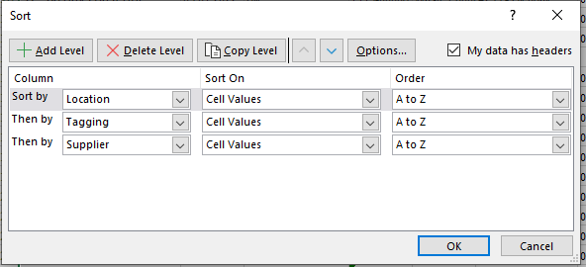

Greater than 30 days :

